Global EV stocks
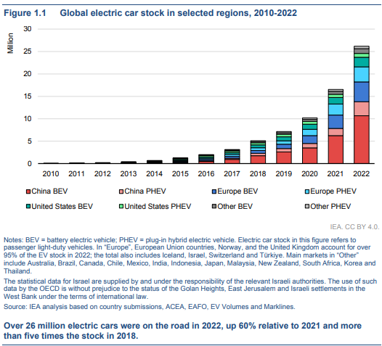
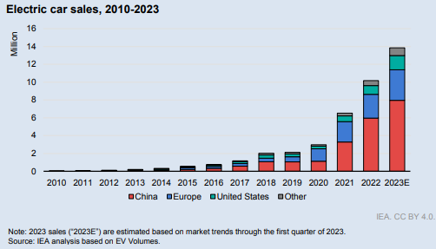
 | Year | Cars | Growth | Growth %
2010 | 1 | 0.2 | 0.2 | 0%
2011 | 2 | 0.3 | 0.1 | 50%
2012 | 3 | 0.4 | 0.1 | 33%
2013 | 4 | 0.5 | 0.1 | 25%
2014 | 5 | 0.8 | 0.3 | 60%
2015 | 6 | 1.5 | 0.7 | 87%
2016 | 7 | 2 | 0.5 | 33%
2017 | 8 | 3.5 | 1.5 | 75%
2018 | 9 | 5 | 1.5 | 43%
2019 | 10 | 7 | 2 | 40%
2020 | 11 | 10 | 3 | 43%
2021 | 12 | 16.5 | 6.5 | 65%
2022 | 13 | 26 | 9.5 | 58%
2023 | 14 | 40 | 14 | 54%
 |  |  | Average | 48%
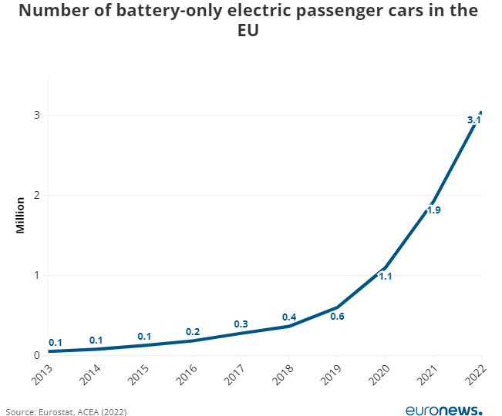

https://www.euronews.com/green/2023/05/08/norway-germany-uk-which-european-countries-have-the-biggest-share-of-electric-cars
For Europe:

 | Year | Cars | Growth | Growth %
2013 | 4 | 0.05 | 0.05 | 0%
2014 | 5 | 0.07 | 0.02 | 40%
2015 | 6 | 0.12 | 0.05 | 71%
2016 | 7 | 0.2 | 0.08 | 67%
2017 | 8 | 0.3 | 0.1 | 50%
2018 | 9 | 0.4 | 0.1 | 33%
2019 | 10 | 0.6 | 0.2 | 50%
2020 | 11 | 1.1 | 0.5 | 83%
2021 | 12 | 1.9 | 0.8 | 73%
2022 | 13 | 3.1 | 1.2 | 63%
 |  |  | Average | 53%

EV sales share
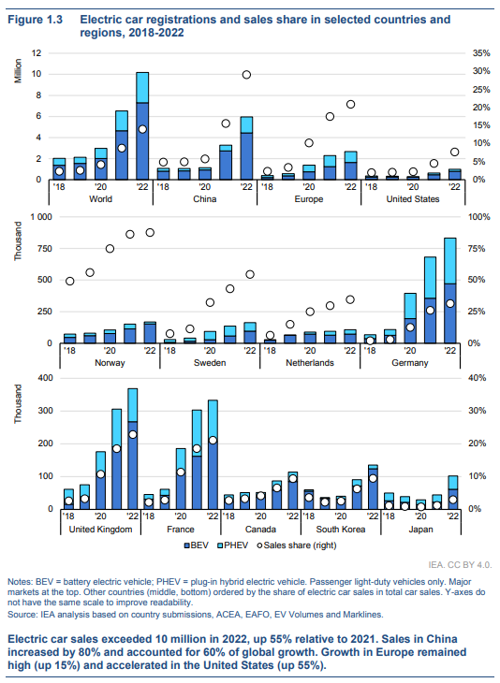
 | Year | World | China | Europe | US | Norway | Sweden | Netherlands | Germany | UK | France | Canada | South Korea | Japan
2018 | 1 | 2 | 5 | 2 | 2 | 50 | 5 | 5 | 1 | 3 | 2 | 3 | 4 | 2
2019 | 2 | 2.5 | 5 | 4 | 2 | 55 | 10 | 15 | 2 | 4 | 3 | 4 | 2 | 1
2020 | 3 | 4 | 6 | 10 | 2 | 75 | 30 | 25 | 10 | 10 | 12 | 5 | 3 | 0
2021 | 4 | 8 | 15 | 17 | 5 | 85 | 45 | 30 | 25 | 19 | 19 | 7 | 7 | 1
2022 | 5 | 14 | 30 | 21 | 8 | 85 | 55 | 35 | 30 | 23 | 21 | 10 | 10 | 3
EV Car Sales Market Share

Market penetration
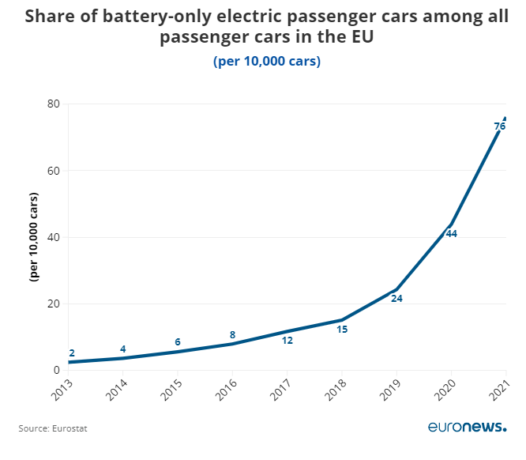
https://www.euronews.com/green/2023/05/08/norway-germany-uk-which-european-countries-have-the-biggest-share-of-electric-cars
For Europe:

 | Year | Cars | Growth | Growth %
2013 | 4 | 2 | 2 | 0%
2014 | 5 | 4 | 2 | 100%
2015 | 6 | 6 | 2 | 50%
2016 | 7 | 8 | 2 | 33%
2017 | 8 | 12 | 4 | 50%
2018 | 9 | 15 | 3 | 25%
2019 | 10 | 24 | 9 | 60%
2020 | 11 | 44 | 20 | 83%
2021 | 12 | 76 | 32 | 73%

 |  |  | Average | 53%

